Dashboard
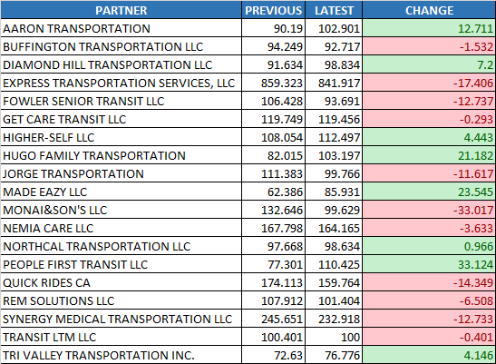
Trips Made
CCCTA
LAVTA

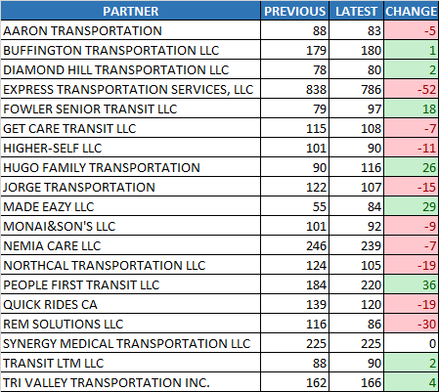

Summary Chart
Decreased

$ 384.46
Trips Made
3,130 trips to 3,074 trips
-56 trips
Payment Difference
Hours Operated

2,902 hours to 2,895 hours
-7 hours

Operators
Latest Payment

36 to 36 operators
0 operators
VDP_DIV5_1021_1103_FINAL.xlsm
$ 92,962.37
Days Worked
Previous Payment
14 hours to 14 hours
0 days
DONE-VDP_DIV5_1007_1020_FINAL.xlsm
$ 93,346.83

Hours Operated
Operators

CCCTA
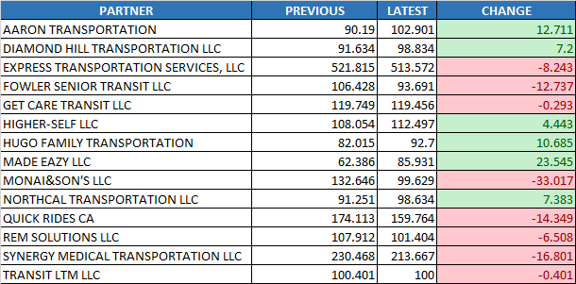
Trips Made
CCCTA
LAVTA

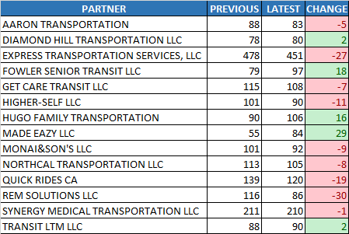

Summary Chart
Decreased

$ 954.83
Trips Made
1,852 trips to 1,802 trips
-50 trips
Payment Difference
Hours Operated

2,019 hours to 1,993 hours
-26 hours

Operators
Latest Payment

25 to 27 operators
2 operators
VDP_DIV5_1021_1103_FINAL.xlsm
$ 63,732.80
Days Worked
Previous Payment
14 hours to 14 hours
0 days
DONE-VDP_DIV5_1007_1020_FINAL.xlsm
$ 64,687.63

Hours Operated
Operators

LAVTA
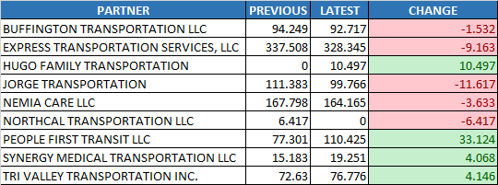
Trips Made
CCCTA
LAVTA

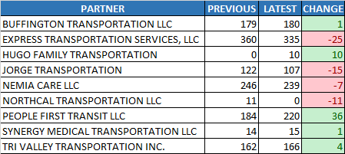

Summary Chart
Increased

$ 570.37
Trips Made
1,278 trips to 1,272 trips
-6 trips
Payment Difference
Hours Operated

882 hours to 902 hours
19 hours

Operators
Latest Payment

14 to 13 operators
-1 operators
VDP_DIV5_1021_1103_FINAL.xlsm
$ 29,229.57
Days Worked
Previous Payment
14 hours to 14 hours
0 days
DONE-VDP_DIV5_1007_1020_FINAL.xlsm
$ 28,659.21

Hours Operated
Operators

